Invoice
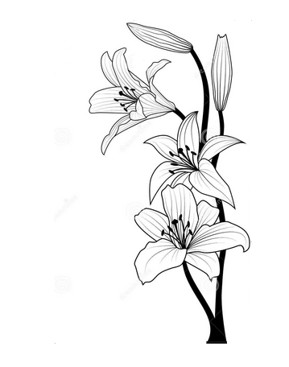 | Lizpa Landscaping, Inc.

 | Bill To: | Blossom Corner Apartments Loretta Samuels | Phone: | 407-282-3791 | Invoice #: | 1811
 | Address: |  | Fax:
 | Service Address: | 2143 Raper Dairy Rd. Orlando, FL 32822 | Email: | loretta.samuels@xenaintl.com | Invoice Date: | 2026-01-01

 | Qty | Description |  |  |  | Price

 |  | January |  |  |  | $1,895.00
 |  | Monthly Work Includes:
 |  | Mowing grass
 |  | Weed Whacking
 |  | Edging
 |  | Blowing
 |  | Trimming hedges
 |  | Any other general service work from contract not listed above

 | Make all checks payable to Lizpa Landscaping, Inc. 141 Sunset Dr. Longwood, FL 32750
 | Thank you for your business!! |  |  |  | TOTAL | $1,895.00

